Rig Analysis

Kelly-Peterson 44 / Formosa 46 |  |  |  |  |  |  | Righting Moment | ft-lbs | kNm
 |  |  |  |  |  |  | Selden Calculated Righting Moment 30 | 48237 | 65.4
R.M. (lbs) @ 30 deg | 72000 | Righting Moment |  |  |  |  | Brion Toss Riggers Apprentice | 72000
Beam (Ft) | 11.2
Shroud Load (Lbs) | 19286 | Shroud Load = R.M 30 * 1.5 / (Beam / 2)

Safety Factor | 2.5 |  | Strength Factor | 1.2 | Difference from standard tables
Design Load | 48214 |  | Wire Threshold | 45% | Use Wire High if Delta > Threshold
Formulas from Riggers Apprentice by Brion Toss

IMPERIAL WIRE SIZE | % of Load | 1x19 Load (Lbs) | Min BL (Lbs) | Wire Low | Wire High | Delta
Lowers D1 | 25% | 4821 | 12054 | 9/32 | 5/16 | 90%
V1 | 50% | 9643 | 24107 | 7/16 | 1/2 | 12%
Intermediates D2 | 29% | 5593 | 13982 | 5/16 | 3/8 | 32%
Uppers D3/V2 | 30% | 5786 | 14464 | 5/16 | 3/8 | 42%
Jibstay | 30% | 5786 | 14464 | 5/16 | 3/8 | 42%
Backstay | 25% | 4821 | 12054 | 9/32 | 5/16 | 90%
Forestay (Staysail) | 25% | 4821 | 12054 | 9/32 | 5/16 | 90%

METRIC WIRE SIZE | % of Load | 1x19 Load (Lbs) | Min BL (Lbs) | Wire Low | Wire High | Delta
Lowers D1 | 25% | 4821 | 12054 | 7 | 8 | 90%
V1 | 50% | 9643 | 24107 | 11 | 12 | 12%
Intermediates D2 | 29% | 5593 | 13982 | 8 | 10 | 32%
Uppers D3/V2 | 30% | 5786 | 14464 | 8 | 10 | 42%
Jibstay | 30% | 5786 | 14464 | 8 | 10 | 42%
Backstay | 25% | 4821 | 12054 | 7 | 8 | 90%
Forestay (Staysail) | 25% | 4821 | 12054 | 7 | 8 | 90%

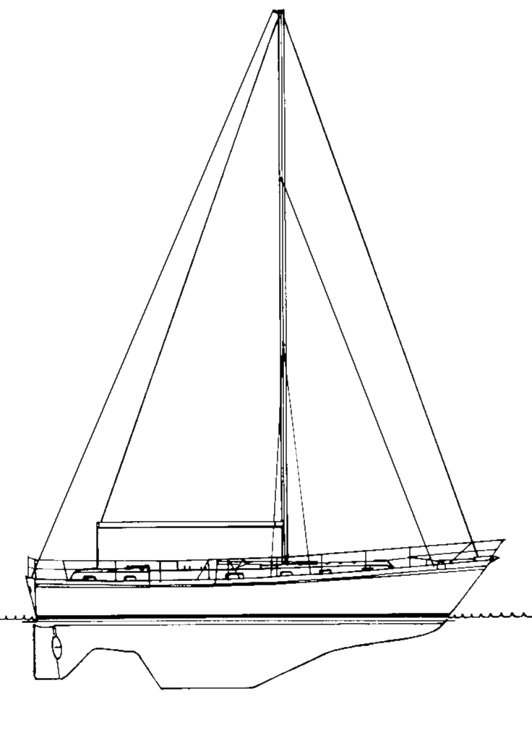
Note 1. Wire Factors are based on 1x19 316SS tables (see Wire worksheet).
Note 2. Delta = percent of load difference from Lower Wire Size to Higher Wire Size.
Note 3. Righting moment is always given in foot-pounds.
Note 4. % of load values and formulas as specified in The Rigger's Apprentice, Brion Toss, pgs. 137-138. 1998

Brion RECOMMENDS | METRIC | IMPERIAL | ORIGINAL | FINAL
Lowers D1 | 8mm | 5/16 | 5/16 | 8mm
V1 | 11mm | 7/16 | 3/8 | 11mm*
Intermediates D2 | 8mm | 5/16 | 5/16 | 8mm
Uppers D3/V2 | 8mm | 5/16 | 3/8 | 10mm
Jibstay | 10mm | 3/8 | 3/8 | 10mm
Backstay | 11mm Dux | 11mm Dux | 3/8 | 11mm Dux | $610
Forestay (Staysail) | 8mm | 5/16 | 5/16 | 8mm

* 11mm not available. Use 10mm Powerflex (Dyform) instead.

 |  | kg | lbs
10mm Powerflex (Dyform) is |  | 9800 | 21605
7/16" is available |  | 10700 | 23589
10mm 1x19 |  | 8415 | 18552
8mm 1x19 |  | 5745 | 12665
KOS Stainless strain testing appears to be about 20% more than what is listed in standard tables

BT (Brion Toss) Final Recommendations:
7/16" V1, 5/16" V2/D3, 9/32" or 5/16" D2, 5/16" lowers and forestay, 3/8" jibstay or metric equivalents of any of these. 1/2" V1's are too big and would also require very large pins.

We recently had Brion Toss replace the standing rigging on |  |  |  |  |  | In the event, a sufficiently large group of
Tango (KP44 #115). Here are his comments. |  |  |  |  |  | friends wasn’t available, so the owners placed a weight at
 |  |  |  |  |  | the end of the boom, swung the boom out to the side,
Dennis |  |  |  |  |  | measured the heel, and repeated the exercise on the other
 |  |  |  |  |  | side. The results were consistent side-to-side, and the
Rig sizes should of course not be arbitrary; |  |  |  |  |  | extrapolation showed righting moment fairly close to that
they should reflect the loads that are imposed on each |  |  |  |  |  | derived from the chart, just a bit higher, but resulting in
piece. In the case of this vessel there was an apparent |  |  |  |  |  | the same wire sizes.
anomaly, in that the 3/8” V1’s which extend from the
chainplates to the lower spreaders, were quite a bit weaker |  |  |  |  |  | Based on these results, we installed 3/8”
than the combined strengths of the 3/8” V2’s, which go to |  |  |  |  |  | compact strand V1’s, 5/16” 1x19 V2’s, and 9/32” D2’s. These
the masthead, and the 5/16” D2’s, which go from the lower |  |  |  |  |  | sizes reflect typical distribution of load, and the V1’s are
spreader to just under the upper spreader. If the upper two |  |  |  |  |  | no longer overwhelmed by the upper two wires.
wires were the right size, then the V1’s were too small, and
vice versa. It was also possible that all of them were |  |  |  |  |  | Note that this wasn’t the only KP44 with
the wrong size, having no relationship to the vessel’s |  |  |  |  |  | anomalous wire sizes. Also note that the rigs aren’t
righting moment. So it was clear that we had to start by |  |  |  |  |  | collapsing all over the place. But the dimensional changes
determining the loads that the vessel put onto those wires, |  |  |  |  |  | on this boat accomplished two important things:
before we chose new wires for a rerig.
 |  |  |  |  |  | First, we achieved a consistent, desirable factor of safety
There are several ways to do this. The simplest |  |  |  |  |  | for all components. Previously the V1’s were weak relative
one is to consult "Skene’s Elements of Yacht Design" for a |  |  |  |  |  | to the combined strengths of the wires they supported,
chart showing typical loads for a vessel of a given |  |  |  |  |  | meaning they were more /likely/ to fail. That hazard was now
waterline. This is a remarkably reliable chart, in my |  |  |  |  |  | gone.
experience. For a KP44, with a waterline of 38’8”, we can
derive a load on the shrouds of in the neighborhood of |  |  |  |  |  | Second, we were able to reduce weight aloft, so that the
33,750lbs, once we have taken the vessel beam and safety |  |  |  |  |  | boat will sail better, have less weather helm, need reefing
factor into account. About 60% of this load can be expected |  |  |  |  |  | less often, etc.
to land on the V1’s, which means about 20,000lbs, and this
translates either to 7/16” 1x19 or 3/8” compact strand. For |  |  |  |  |  | --Brion Toss
more on this process, see my book, "The Rigger’s Apprentice."

To double-check the accuracy of those
chart-derived figures, the owners arranged for a direct |  |  |  |  |  | Continuous rigging allows all shrouds to pass over the spreader tips without termination,
incline test. Because righting moment increases in |  |  |  |  |  | therefore making continuous rigging popular due to the ease of spreader design,
approximately a straight line through at least 30 degrees of |  |  |  |  |  | installation, and straightforward tuning adjustment all at deck level.
heel for monohulls, even a small amount of heel, from a |  |  |  |  |  | It also is less expensive and thus favored by many builders of production boats.
small load, can be extrapolated for loads at large angles of
heel. My favorite method for such a test is to have as many |  |  |  |  |  | Discontinuous rigging is based on the principle of one stay in between each span, linked by tip cups
people as will fit lined up along the rail of the boat. |  |  |  |  |  | tip cups or special links. Each span is fitted with the correct size wire or rod to accept
Their weight, times their distance from the centerline, |  |  |  |  |  | the loads, so the stays can be reduced in section progressively up the spar. The center of
gives the foot-pounds of force heeling the boat. The |  |  |  |  |  | gravity is lowered, windage is less and often the total rig weight is lowered. Tuning,
resulting angle of heel can be measured old-school, using a |  |  |  |  |  | although done at deck and spreader levels, is easier due to the shorter span lengths,
pendulum and square, or new-school, using an inclinometer on |  |  |  |  |  | therefore less stretch in each stay.
a smart phone.
 |  |  |  |  |  | On BEATRIX we have discontious rigging, which I believe is the preferred design.

Notes
Thanks, Dennis, for sharing Brion's Notes.

I just had a beer with Brion a couple of weeks ago when he gave an excellent presentation at the Australian Wooden Boat Festival in Hobart. Apparently he comes here every two years. He emphasized in his talk the downsides of using wire greater than necessary. Oversizing the wire can actually be dangerous as it adds weight aloft and puts extra stress on toggles, terminals, spreaders, mast and chainplates. It is also a LOT more expensive for larger sized terminals. I see a lot of obviously over-rigged boats when walking the docks. So I think you have an optimum rig.

I also consulted with Brion 3 years ago on my own re-rig, but did not perform the actual righting moment test, and made an assumption of 72000 lbs. I gather that is not correct.

* Would you please share the results of your righting moment test and how you did it?
* Also provide the tonnage of Tango?

He gave similar advice regarding my rig, some of which I followed. His analysis supported my thinking that the "standard" rig on the Peterson Cutters was not well designed. I have often wondered if Doug Peterson designed the rig and (if he did) were his recommendations followed. Most of the USA KP44’s were rigged in California. It never made sense to me that the V1 was sized the same as the V2 as it has to bear greater loads. Later I discovered that the original rig was different from what was on Beatrix (see below comments from Alan Blunt).

I used Brion's "Riggers Apprentice" to help figure out the wire loads and they seem nowhere near what he says in his note to you, nonetheless the conclusions seem the same. It's a puzzle I would like to figure out. Brion has now rigged or provided consulting information on several boats so I wanted to provide a "standard" rig. I ended up with four possibilities which are at the end of this note.

In practical terms, wire sizes like 9/32 are not very common so I felt restricted (in my case) to 8mm and 10mm 1x19, and 10mm compact strand. Therefore, Beatrix was re-rigged with 10mm compact strand V1, 10mm 1x19 V2, and 8mm 1x19 D1 and D2. I now think I could have used a smaller 8mm 1x19 V2 wire, but I at least I have a better load distribution than before by using the compact strand on the V1. Any wire size over 10mm (or 3/8") immediately incurs a tripling of costs for terminals, turnbuckles, re-sizing chainplate holes, etc., which is why sizes like 1x19 7/16 (11 mm -- not available in Australia) or greater are not practical. 1x19 9/32" (7mm) is also not always available (certainly not in Australia).

All my terminations are Peterson (Hayn) Hi-Mod terminals. I had a problem with the compact strand 10mm because the KOS (Korean) wire is made slightly oversize. One of the reasons some wire seems “stronger” than others is that it is actually bigger, e.g. 10mm might be 10.5 mm. Peterson UK (who makes Hi-Mods) made some special “crown” pieces for my terminals to accommodate the oversize wire.

In 2012 I ran into a bloke named Alan Blunt, skipper of Cheyenne, out of Los Angeles. Alan is an Aussie, but for years owned Seatek Yachting Inc., a spar and rigging business in Wilmington, CA. He knew Jack Kelly and is friends with Doug Peterson. He was involved in the rigging of the first KP44's and has sailed many miles aboard one.

So, I rowed over to his boat with a bottle of Aussie Shiraz, and asked some questions about my re-rigging quandary. He knew EXACTLY what I was talking about and confirmed and resolved a few key issues I was concerned about.

His recommendations are different from those of Brion Toss in that the uppers are definitely 3/8" (although 5/16" appears to be an adequate strength). As nearly all the Petersons that I have seen have 3/8" uppers I decided (at the time) not to downsize to 5/16" as Brion recommended.

Here's what Alan told me:

1) | The boat's original rig design was CONTINUOUS rigging (two wires to the deck). This was done to save money. [DISCONTINUOUS is a stronger, better way to rig these boats – J.S.]
2) | If the rigging is DISCONTINOUS the V1 element (first vertical) should be 7/16" as it bears the load of the intermediates and uppers. [NOTE: this requires larger chainplate holes. Use compact strand instead – J.S.]
3) | Otherwise, the cap shroud, or upper, (V1+V2+D3) should be 3/8".
4) | The intermediate wires in either case are 5/16".
5) | The four lowers are 5/16".

Considering what both Alan and Brion have said and weighing in practical matters (standard wire sizes) I think I would now recommend three different rigs for a KP44 (and presumably an F46) as follows:

“Standard Practical Rig”:

Discontinuous Rig
Compact strand V1 3/8" or 10mm
1x19 V2/D3 5/16" or 8mm
1x19 D1 5/16" or 8mm
1x19 D2 5/16" or 8mm

The "Brion Toss Optimum Rig" would have a slightly smaller D2:

Discontinuous Rig
Compact strand V1 3/8" or 10mm
1x19 V2/D3 5/16" or 8mm
1x19 D1 5/16" or 8mm
1x19 D2 9/32" or 7mm

“Original Discontinuous Rig”

Compact strand V1 3/8" or 10mm, or 1x19 7/16”
1x19 V2/D3 3/8" or 10mm
1x19 D1 5/16" or 8mm
1x19 D2 5/16" or 8mm

“Original Continuous Rig “

V1+V2+D3 3/8" or 10mm
1x19 D1 5/16" or 8mm
1x19 D2 5/16" or 8mm

All backstays are 1x19 3/8” or 10mm

In conclusion, there are a lot of factors to think about. The “optimum” rig is more expensive and more complex but has properly balanced pre-tension and loading which makes for a safer and stronger rig. Some of the other possibilities approach this but with fewer sizes of standard wire. Beatrix has the “Original Discontinuous Rig” but I think the “Standard Practical Rig” is a more practical solution while paying attention to optimum loading

RIGGING AND FURLER WORRIES

Rigging

The drama of rigging continues. Rigging is a “dark art” based largely on empirical experience of riggers and nautical designers, and partially on scientific knowledge. Whereas I am certain that very serious computer software is applied to the hull strength and rig design of America’s Cup and ocean racers, I have found very little useful information on Plain Old Cruising Boats. I turned up a few dissertations on the subject. The only useful and applicable formulas comes from Brion Toss’s Rigger’s Apprentice which is based on the 30º righting moment. This is supposedly 72,000 lbs. for our boat. This gives you the ability to calculate a theoretical transverse rig load which is apportioned among the various rigging wires depending on the rig type (discontinuous vs. continuous). I have incorporated this into an Excel worksheet.

Yesterday I examined the 3/8” Hi-Mod compression terminal on the backstay. Although it was difficult to remove (it had not been opened in maybe 10 years) the wire was un-damaged and not corroded. This has convinced me that the uncompromising fail-safe design and ability to remove and replace the termination makes Hi-Mods the best terminals to use. I would never have a worry of a swage failure with Hi-Mods, so we will proceed with the all Hi-Mod option, although it is seriously more expensive than swaging. Yes, swaging is perfectly fine, especially if you pick you rigger, but it can and does fail. Hi-Mods just won’t fail – and they don’t have that “hard edge” or encapsulated non-aerated wire to worry about.

Based on my talks with KP44 rigger Alan Blunt I think the current discontinuous rigging, while more expensive, is the best solution for wire rigging. The big factor is whether to upsize the V1 wires to accommodate the combined loads of the uppers and intermediates. NONE of the existing KP44s that I have seen do this – they mostly have 3/8” wire on the V1, and V2/D3, with 5/16” wire on the D2 and D3. Nevertheless the experience of other skippers on different boats, and the rigging analysis, and common sense all say that a 7/16” V1 would be the correct wire to use.

On the other hand going from 3/8” to 7/16” is quite an expensive jump because of the HUGE price increase of the Hi-Mod terminals, over $800. When trying to tune the rig a few weeks ago I was up the mast while my mate Niall was on deck and I was trying to get a balance of tension between the uppers and intermediates and I did not quite get it right – the intermediate was tensioned to 12% while the upper was tensioned to 8% (this is 1210 lbs. on the D2 and 1100 lbs. on the D3/V2). More tension needs to be moved to the D3/V2 and probably more tension overall. However this would require around 2300 lbs. on the V1 (which is now reading 1400 lbs. (18-20%) on the Loos PT-3 tension gauge. [1]

With this setup I could see the top of the mast tipping to leeward under stress (which is not necessarily a problem). The big issue is that the leeward rig should not go slack from lack of pre-tension until it is time to reef.[2] It is clear that static measurements are only a start to proper rig tuning and adjustments under sail must be made.

So, unless I want to tension a 3/8” (or 10mm) wire past 20% of breaking load, or have a lower pre-tension
in the uppers and intermediates, I would have to upsize to the 7/16” wire (11mm not available).

On the other hand, the empirical evidence is that these Petersons have been sailing for over 30 years without an obvious problem using 3/8” V1 wire (unless you count stories about slack leeward wires due to lack of pre-tension and my difficulty getting the tensions balanced and high enough in the uppers and intermediates). I would like to poll my Peterson Group on this subject.

PROS of a larger V1: properly balanced pre-tension and loading which makes for a safer and stronger rig.

CONS: three wire sizes instead of two, about $850 more expense, requirement to enlarge pin hole in chainplate to ¾”, and a negligible amount of additional weight (5 lb.).

At this point Chris Kennedy of Fisheries suggested using 10mm Compact Strand (Dyform or Powerflex) which is 16% stronger than the 10mm 1x19 wire as compared to the 7/16” wire which is 27% stronger than 10mm 1x19.

Since the 10mm Compact Strand has not crossed the magical “big boat” threshold this saves over $800 in rigging expenses while gaining about 60% of the up-sizing advantage of the 7/16” 1x19.

In other words, it is a good compromise between the empirical solution (stick with 3/8”/10mm) and the theoretical/recommended solution (upsize to 7/16”).

So, that’s what I have done.

One other option is to replace the lower spreader tip link plates with a solid stainless link plate ($32 for materials) and use forks instead of eyes. One of Brion Toss’ riggers recommended this to Terry Hudkin. I could go ahead with the forks, use the existing link plates INSIDE the forks, and then fabricate the solid link plate when I get back to Niall’s factory in Sydney. They can plasma cut and we could finish it off.

[1] I have learned that the Loos tends to over-estimate the upper range of tension as it ages and the spring stretches.
[2] . A good description of pre-tension (and many other things) is found in Ivar Dedekam’s book on Sail and Rig Tuning”.

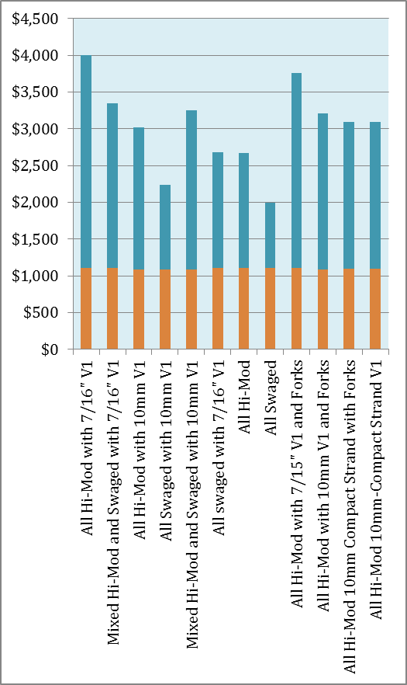

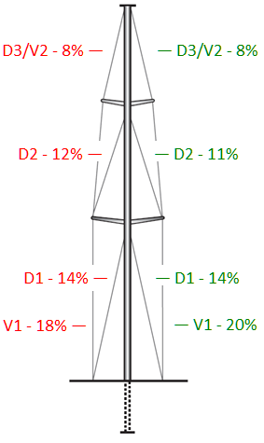

Jeff,

Great information on KP44 rigs! Here's how we did the
incline (righting moment) test that Brion asked for.

We filled several dry bags with water, tied them to the end
of the boom, and swung the boom out as far as it would go on
both sides. We measured the amount of heel using a smart
phone and used a tape measure to get the distance from
centerline to the boom end on both sides. We weighed each of
the water-filled dry bags and the boom end with a spring
scale. Here are the results that we sent to Brion.

"Here are the results of the incline test.

"The weight at the end of the boom totaled 211 pounds. The weight of the
boom (measured with a spring scale at the aft end) was 60 lb.

"With the boom and personnel centered, the boat heeled 01.3 degrees,
starboard high.

"With the boom out to starboard, personnel centered, the heel was 01.3
degrees, port high (02.6 degrees total heel). The estimated distance from
the centerline to the boom end was 189 inches.

"With the boom out to port, personnel centered, the heel was 03.8 degrees,
starboard high (02.5 degrees total heel). The estimated distance from
centerline was 192 inches (both centerline and tape end were estimated)."

Despite the relatively small weight and angle of heel, it was enough to give him the information he needed.

Unfortunately, I don't know the exact tonnage of Tango. I assume that it is close to 30,000 pounds.

